Test Cases - Funtional
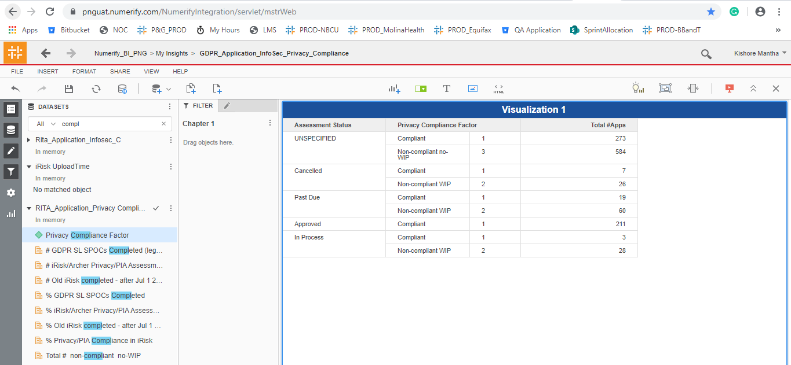
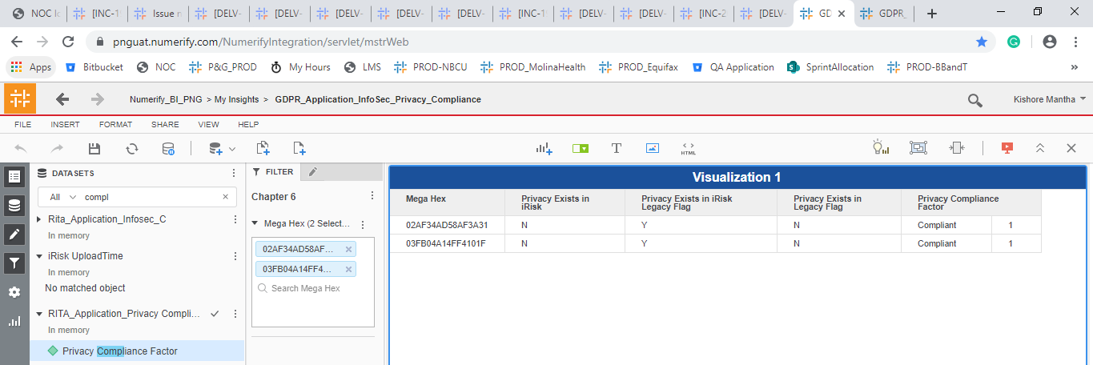
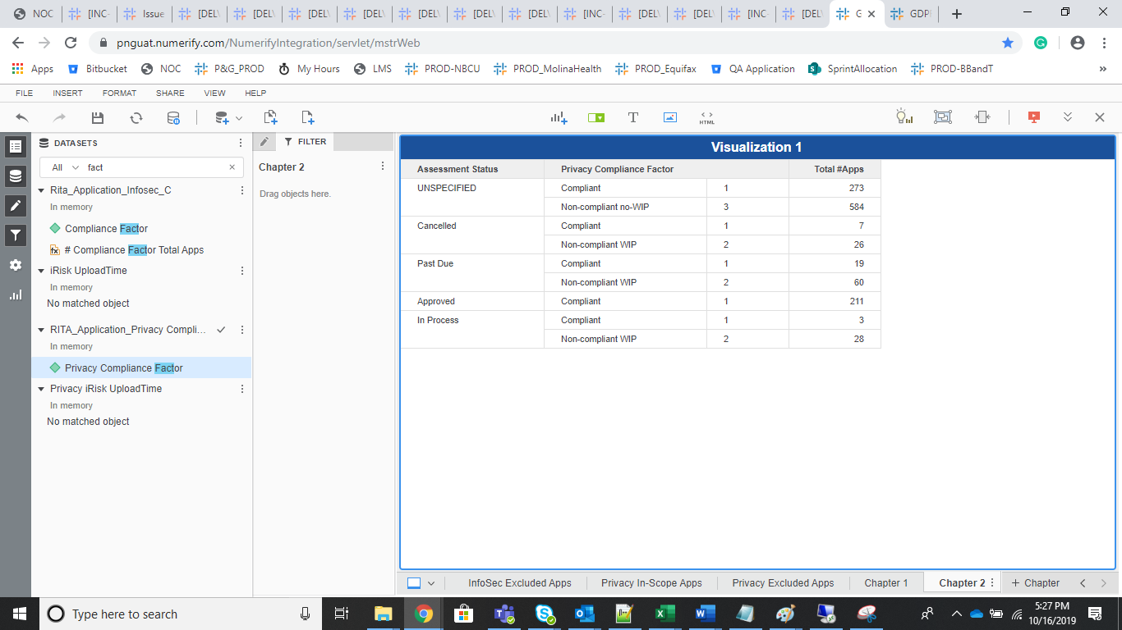
INDEX

TC_No | Test Case | Test Description | Expected Result | Actual Result | Result | Defect JIRA # | Comments
1 | DELV-19810 | P&G: GDPR and CMDB UAT Bugs
 | Defect :96 | In GBS/VP tab, apps with Mega ID B964BEC85A616007 and E310E63A584F4234 have the same completeness percentage. However, app B964BEC85A616007 has mandatory field "*Implementation Supplier SAP Code" blank, while the app E310E63A584F4234 has it filled in. Given that, it is not clear why these two apps have the same completeness percentage. Defect reopened. Comment: Issue with app "Audit" - "1D4C229752CF329A" still present on Oct 11, 2019 at 4:22 PM CET. |  | Fixed and working fine in UAT instance.
 | DEFECT 102 | In today's load, iRisk is not populated for 2 apps in InfoSec report which are marked as "iRisk Work in Progress" and also 2 apps in Privacy report which are marked as "Completed". See attached file for evidence. UPDATE 2019-10-11: Per our correspondence from yesterday, I checked the data again today. I still see that, for these 2 MEGA ID's (65A6EE305C3C4A36 and B1B9B28C5CED65D0) in InfoSec, iRisk ID is not being shown. It seems to me that iRisk ID is present in the XML file "Application_Assessments_with_InfoSec_Checklists". Is there maybe some issue with XML formatting? Same is with apps 7664D4104E3A0981 and 8D9799A25AD98E6C in privacy report.
 | DEFECT 51: | UPDATE Oct 11, 2019 - Per correspondence with Pradeep from Oct 10, 2019, change to Privacy report logic will be implemented so that legacy apps are included as compliant. Section "Privacy Compliance Category" seems to be working correctly, but section "Privacy Compliance Distribution" seems is showing 100% compliance, which is not correct and also doesn't match section "Privacy Compliance Categories". If I am missing something and this is ready to retest, please let me know, so I could close the defect. ORIGINAL DEFECT: Privacy compliance report in UAT doesn't load apps from legacy file as compliant. Examples: 1) 02AF34AD58AF3A31 2) 03FB04A14FF4101F These appear in legacy file "Privacy Legacy iRisk" but they are marked as "non-compliant no-wip" in report.

Defect 96

1D4C229752CF329A |  |  |  | B964BEC85A616007

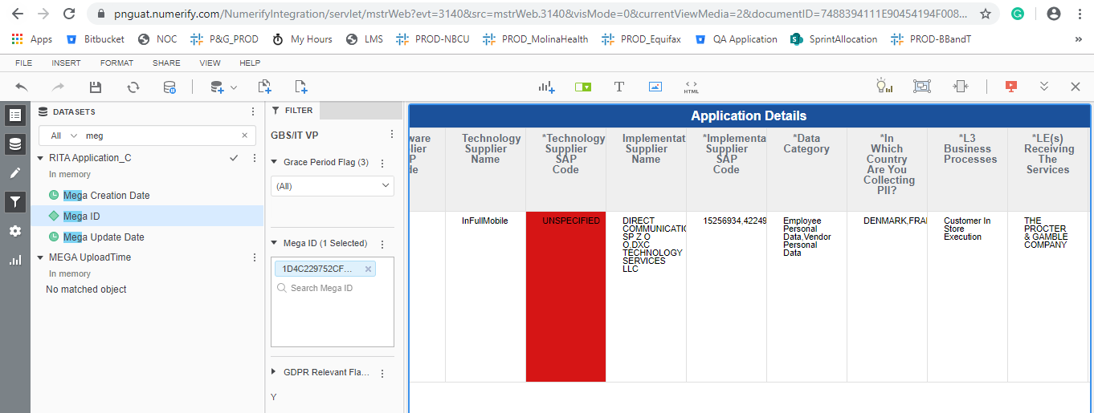
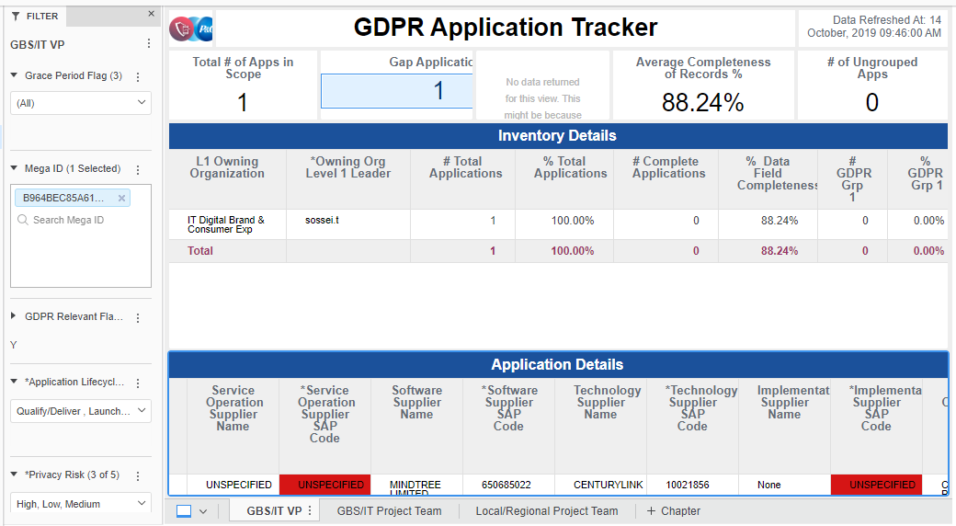

E310E63A584F4234

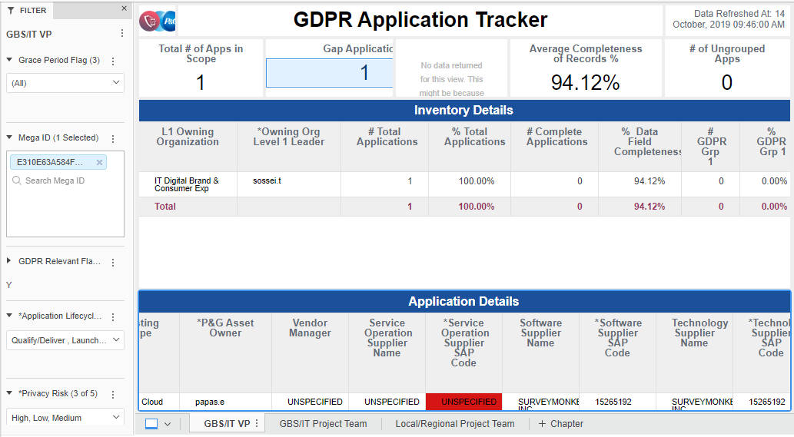

DEFECT 102

Mega Hex | iRisk ID
07860F2C4A2D00E1 | 1704103
65A6EE305C3C4A36 | 1487009
AE30AE695CC91C3B | 1912880
B1B9B28C5CED65D0 | 1753641

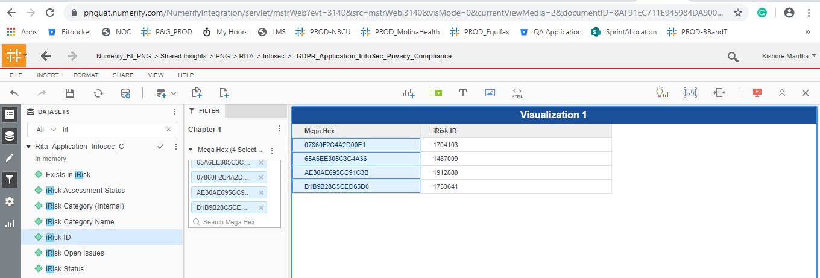

Select a.MEGA_HEX_ID,a.iRisk_ID,a.Assessment_Status, Count(Issues_ID) FROM png_mdsdb.pg_mega_irisk_assessment_issues_final a where a.Assessment_Status='Cancelled' and cdctype='X' group by 1,2,3;

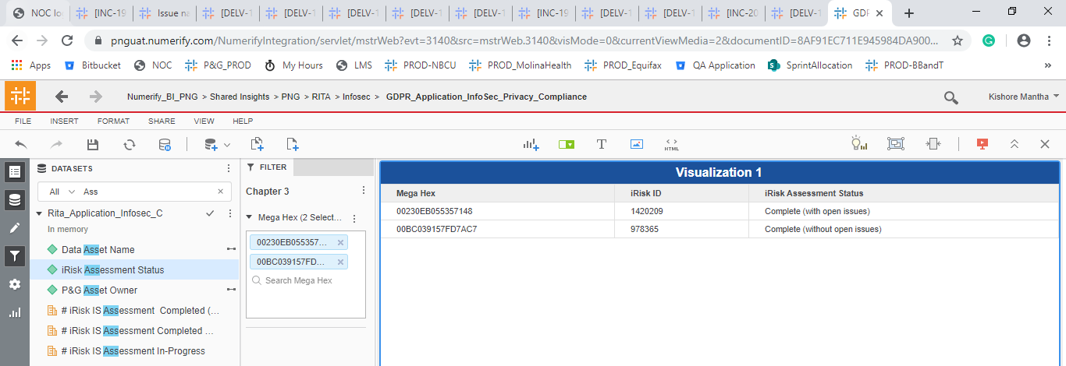
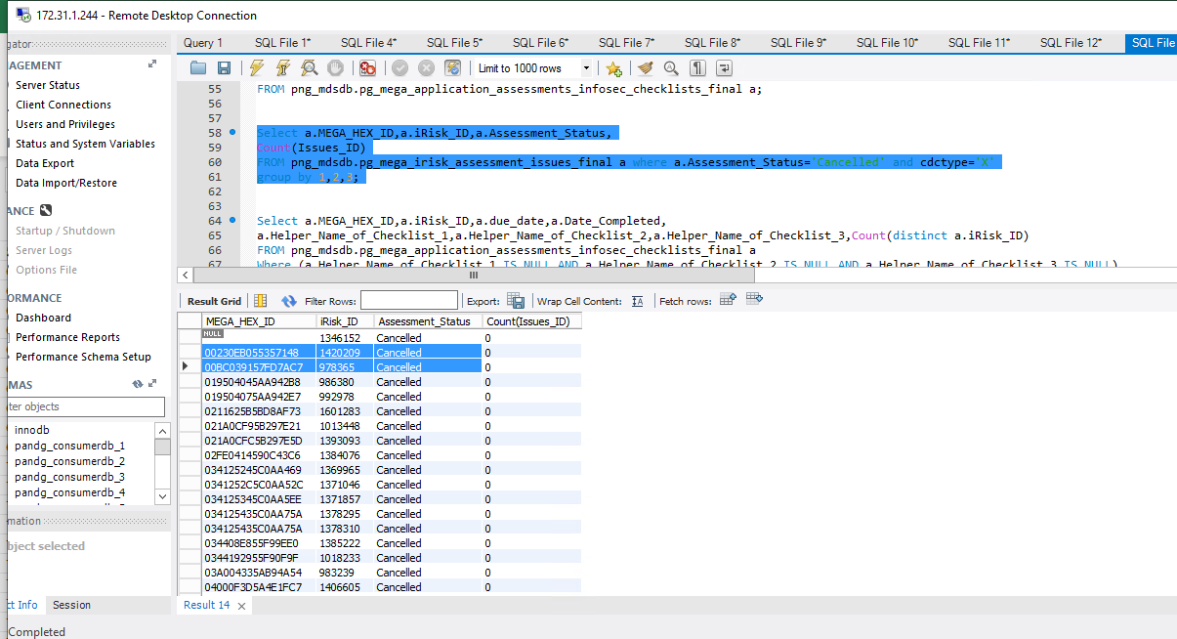

Defect 51

DELV-18955 |  |  | Application from the legacy Files are also marked as 'Compliant'

